Economist Graphic - The Good Ch
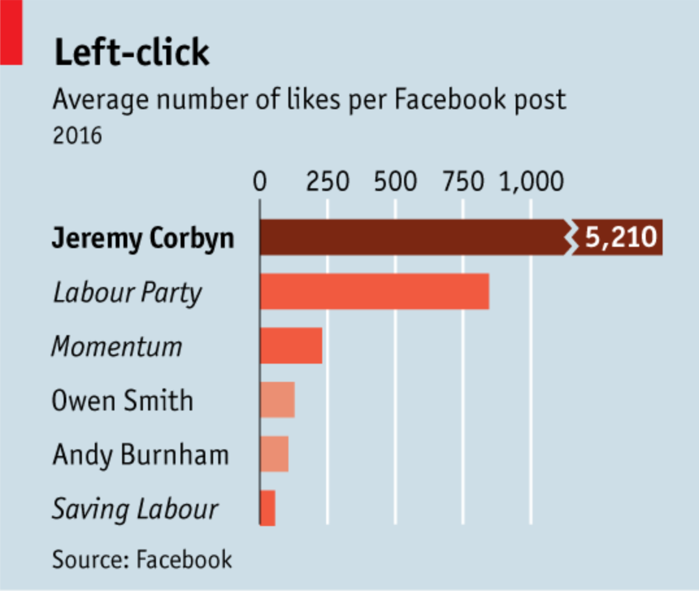
 |  | Sagnik Rana | Sagnik Rana

 |  | For this graphic, what do you see first? | The randon red bar(top left corner) distracts me first. Then, I can see a some kind of crack in the bar-graph for Jeremy Corbyn who has got the highest number of average likes per facebook posts. Then I see the heading, which has less to very little explaination for what the visualization is about. After that, I see the name of the people, parties and try to glean information about the entire visualization.

 |  | Make a note of the first idea that forms in your mind and then search for more. | The first idea which forms into my mind is the value which the graph is trying to explain - the average number of likes per post for indivisual. The next thought which crosses my mind: what category these pepole belongs to? As, there is no information mentioned about the background of the people it's trying to explain. If we read the article, we can get some overview that the Labour Party is turning towards the left wing, but it's certainly not evident from the heading and description.

 | Article: https://www.economist.com/britain/2016/08/13/the-metamorphosis

 | What I like | What I dislike | What I wish I saw
 | 1. I liked the horizontal alignment of the bar graphs. It really helps the user to read the names and understand the metric it's trying to explain. 2. The light background of the visualization makes it easy to look at the graph for a longer duration of the time(if needed) 3. The source has been mentioned clearly and it establishes the credibility of the data. 4. The man of the article, Jeremy Corbyn is kept at the top to attract immediate attention. | 1. The title of the graph. 2. The top left red mark is distracting. 3. Irregular font style in the names. 4. No information about these people (background, context etc). 5. Unconventional use of color in the bar graphs. | 1. The context and information about the mentioned people/parties. 2. For a person like me, who is a non-British politics follower, it was very difficult to understand what's going on in Britain. I would have loved some short and sweet bullet points which can help me to connect the past with the present. 3. The reason for the higher number of likes. One word explaination solves the mystery of the entire graph. 4. Graph is an alternative to an article. But unfortunately in this case, we are not able to see the explaination of the article through this graph. The left click is intriguing, but it does not helps reader like me who have less knowledge about the political situation.

 | What are three things you'd change, and why?
 | I would change... | because....
 | The title | It is not the best heading which could be given to a graph. After doing a bit research I figured out that the mentioned things are the people and political parties along with the newbies. I would have provided information about them as well, such as the biggest party is moving left.
 | The color of bar graphs | The bar graph is the best idea but, the gradient is deceptive and can led to prejudgement about the figures mentioned.
 | The figures against each names | Although the numbers assocated with the names are separable, but I would prefer giving them the number as the audience should be aware of the difference which separates Owen Smith and Andy Burnham.

References: | Berinato, S. (2016). Good charts: The HBR guide to making smarter, more persuasive data visualizations.
 | “The Metamorphosis.” The Economist, August 13, 2016. https://www.economist.com/britain/2016/08/13/the-metamorphosis.

The Good Charts Matrix
Name of visualization | Design execution (-10 is poor, 10 is excellent) | Contextual awareness (-10 is low, 10 is high)
Economist | -2 | 3
Sagnik Rana | 8 | 8 | Comments
 |  |  | I have prepared the designed as good as I could. The main focus has been put over Jeremy Corbyn and how much importance he has over all major parties. My new diagram is small, which will allow it to appear in media(such as newspaper). The political parties are separated from the politicians which gives a good edge to the readers. The numbers are present, which will further help us to judge the metrics.

Contextual awareness = what am I trying to say, to whom, and where?
Design execution = How well is this chart constructed?

The Good Charts Matrix

Reference: Berinato, S. (2016). Good charts: The HBR guide to making smarter, more persuasive data visualizations.

